Port of New Orleans
Render and Stair 13.4 p494 Port of New Orleans simulation
Simulate 1000 days to determine:
1) Average number of barges delayed to the next day.
2) Average number of nightly arrivals.
3) Average number of barges unloaded each day.
4) Is the unloading capability as stated in the table sufficient?
Input values for random numbers: |  |  |  |  |  |  |  |  |  | Number of Overnight Arrivals | P(X=x) | LB (>=) | UB (<) | Number of Overnight Arrivals
Overnight arrivals |  |  |  | Unloading rate |  |  |  |  |  | 0 | 0.13 | 0 | 0.13 | 0
m= | 2,147,483,647 |  |  | 2,147,483,647 |  |  |  |  |  | 1 | 0.17 | 0.13 | 0.3 | 1
a= | 16,807 |  |  | 16,807 |  |  |  |  |  | 2 | 0.15 | 0.3 | 0.45 | 2
c= | 200,000,000 |  |  | 3,000,000,000 |  |  |  |  |  | 3 | 0.25 | 0.45 | 0.7 | 3
x_0= | 1,000,000,000 |  |  | 3,000,000,000 |  |  |  |  |  | 4 | 0.2 | 0.7 | 0.9 | 4
 |  |  |  |  |  |  |  |  |  | 5 | 0.1 | 0.9 | 1 | 5

See flowdiagram on previous sheet for explanation of each of the columns below

 |  |  |  |  |  |  |  |  |  | Unloading rate | P(X=x) | LB (>=) | UB (<) | Unloading rate (b/n)
 | Number of Overnight Arrivals |  |  | Unloading rate |  |  |  |  |  | 1 | 0.05 | 0 | 0.05 | 1
 |  |  |  |  |  | Unloading rate | To Unload | Unloaded | Delayed | 2 | 0.15 | 0.05 | 0.2 | 2
Day | x_i | R_i | Num Arr_i | x_i | R_i | UR | TU | U | R | 3 | 0.5 | 0.2 | 0.7 | 3
0 | 1,000,000,000 |  |  | 3,000,000,000 |  |  |  |  | 0 | 4 | 0.2 | 0.7 | 0.9 | 4
1 | 992,978,578 | 0.462392 | 3 | 1,083,968,440 | 0.504762 | 3 | 3 | 3 | 0 | 5 | 0.1 | 0.9 | 1 | 5
2 | 1,095,539,609 | 0.510150 | 3 | 2,006,309,932 | 0.934261 | 5 | 3 | 3 | 0
3 | 409,419,085 | 0.190651 | 1 | 1,115,318,283 | 0.519361 | 3 | 1 | 1 | 0
4 | 768,956,607 | 0.358073 | 2 | 622,144,071 | 0.289708 | 3 | 2 | 2 | 0 | 1) Average number delayed | 1.484000 | <= average of the Delayed column
5 | 497,106,203 | 0.231483 | 1 | 1,130,040,407 | 0.526216 | 3 | 1 | 1 | 0 | 2) Average number of nightly arrivals | 2.473000 | <= average of the Arrivals column
6 | 1,352,566,991 | 0.629838 | 3 | 1,096,262,734 | 0.510487 | 3 | 3 | 3 | 0 | 3) Average number of barges unloaded | 2.473000 | <= average of the Unloaded column
7 | 1,679,014,242 | 0.781852 | 4 | 330,595,431 | 0.153945 | 2 | 4 | 2 | 2 | 4) Is unloading capability sufficient? | ? | <= would you argue that the system is keeping up?
8 | 1,457,243,714 | 0.678582 | 3 | 1,629,730,381 | 0.758902 | 4 | 5 | 4 | 1 |  |  | Hint - look at the line chart of delayed - does the queue ever grow "out of control"?
9 | 44,107,163 | 0.020539 | 0 | 577,112,335 | 0.268739 | 3 | 1 | 1 | 0
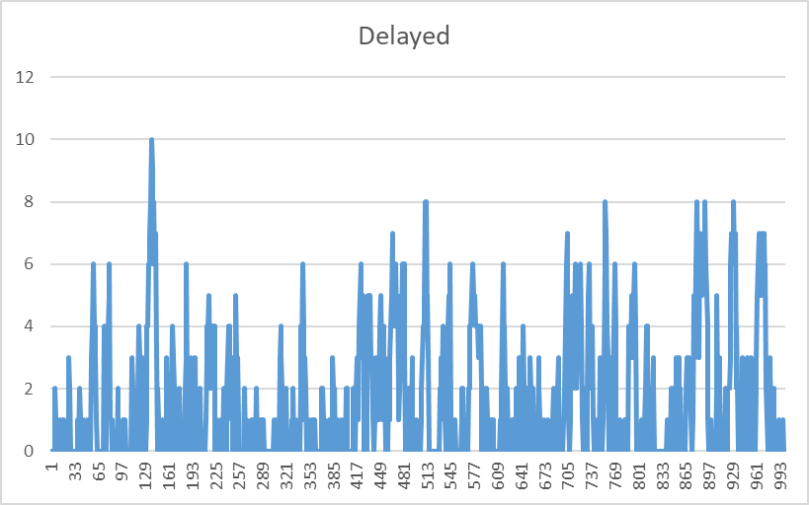
10 | 627,230,326 | 0.292077 | 1 | 195,897,199 | 0.091222 | 2 | 1 | 1 | 0
… | … | … | … | … | … | … | … | … | …
990 | 1,014,542,553 | 0.472433 | 3 | 1,912,783,365 | 0.890709 | 4 | 3 | 3 | 0
991 | 596,531,091 | 0.277781 | 1 | 1,172,336,318 | 0.545912 | 3 | 1 | 1 | 0
992 | 1,644,382,241 | 0.765725 | 4 | 1,146,551,754 | 0.533905 | 3 | 4 | 3 | 1
993 | 1,365,271,244 | 0.635754 | 3 | 1,577,081,300 | 0.734386 | 4 | 4 | 4 | 0
994 | 451,029,713 | 0.210027 | 1 | 467,270,532 | 0.217590 | 3 | 1 | 1 | 0
995 | 39,112,481 | 0.018213 | 0 | 920,650,598 | 0.428711 | 3 | 0 | 0 | 0
996 | 433,472,185 | 0.201851 | 1 | 1,607,440,304 | 0.748523 | 4 | 1 | 1 | 0
997 | 1,302,482,671 | 0.606516 | 3 | 1,757,426,421 | 0.818365 | 4 | 3 | 3 | 0
998 | 1,725,437,626 | 0.803470 | 4 | 1,428,293,262 | 0.665101 | 3 | 4 | 3 | 1
999 | 11,011,094 | 0.005127 | 0 | 1,605,164,621 | 0.747463 | 4 | 1 | 1 | 0
1000 | 579,863,216 | 0.270020 | 1 | 17,244,239 | 0.008030 | 1 | 1 | 1 | 0

Three Hills Flow
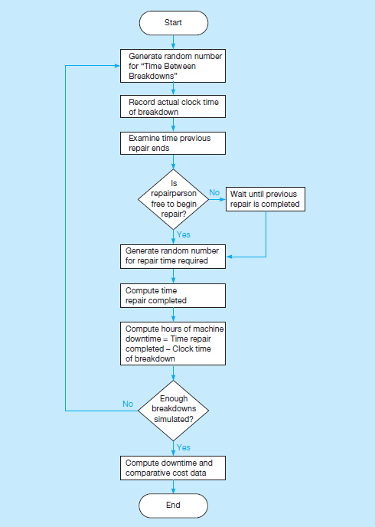
Process Step ID | Process Step Description | Next Step ID | Connector Label | Shape Type | Alt Text
P100 | Begin simulation of Breakdown | P200 |  | Start
P200 | Generate random number & variable for TBB | P300 |  | Process
P300 | Generate random number & variable for RT | P400 |  | Process
P400 | Record TOB | P500 |  | Process
P500 | Examine Previous TRE | P600
P600 | TOB< Previous TRE? | P605, P610 | Yes, No | Decision
P605 | TRS = Previous TRE (still busy, wait) | P700
P610 | TRS = TOB (free, can start) | P700
P700 | Update TRE for current breakdown | P800
P800 | Update DT | P900
P900 | Enough breakdowns simulated (TRE<1000) | P1000, P100 | Yes, No | Decision
P1000 | Do cost analysis of simulation | P1100 |  | Subprocess
P1100 | End |  |  | End

Three Hills Power
Render and Stair 13.5 p497 Three Hills Power Company
Simulate just more than a 1000 hours of the Three Hills Power Company maintenance policy and determine:
1) Service maintenance cost .
2) Simulated machine breakdown cost.
3) Total simulated cost of the current system.
Input values for random numbers: |  |  |  |  |  |  |  |  |  |  | Time between breakdowns
Time between breakdowns |  |  |  | Repair times |  |  |  |  |  |  | TBB (h) | obs | P(X=x) | LB | UB | TBTB (h)
m= | 2,147,483,647 |  |  | 2,147,483,647 |  |  |  |  |  |  | 0.5 | 5 | 0.05 | 0 | 0.05 | 0.5
a= | 16,807 |  |  | 16,807 |  |  |  |  |  |  | 1 | 6 | 0.06 | 0.05 | 0.11 | 1
c= | 123,456,789 |  |  | 987,654,321 |  |  |  |  |  |  | 1.5 | 16 | 0.16 | 0.11 | 0.27 | 1.5
x_0= | 1,000,000,000 |  |  | 3,000,000,000 |  |  |  |  |  |  | 2 | 33 | 0.33 | 0.27 | 0.6 | 2
See flowdiagram on previous sheet for explanation of each of the columns below
 |  |  |  |  |  |  |  |  |  |  | 2.5 | 21 | 0.21 | 0.6 | 0.81 | 2.5
 |  |  |  |  |  |  |  |  |  |  | 3 | 19 | 0.19 | 0.81 | 1 | 3
 |  |  |  |  |  |  |  |  |  |  | total | 100
 |  |  |  | 2 | per hour
 |  |  |  |  |  |  |  |  |  |  | Repair times
 | Time between breakdowns |  |  | Repair times |  |  | Time of breakdown | Time repair starts | Time repair ends | Number hours of downtime | RT_i | obs | P(X=x) | LB | UB | RT_i
Breakdown | x_i | R_i | TBB | x_i | R_i | RT | TOB | TRS | TRE | DT | 1 | 28 | 0.28 | 0 | 0.28 | 1
0 | 1,000,000,000 |  |  | 3,000,000,000 |  |  | 0 |  |  |  | 2 | 52 | 0.52 | 0.28 | 0.8 | 2
1 | 916,435,367 | 0.426748 | 2 | 1,219,106,408 | 0.567691 | 2 | 2 | 2 | 4 | 2 | 3 | 20 | 0.2 | 0.8 | 1 | 3
2 | 899,953,674 | 0.419074 | 2 | 1,367,577,550 | 0.636828 | 2 | 4 | 4 | 6 | 2 | total | 100
3 | 917,529,886 | 0.427258 | 2 | 1,346,063,330 | 0.626810 | 2 | 6 | 6 | 8 | 2
4 | 2,115,665,331 | 0.985183 | 3 | 533,820,486 | 0.248580 | 1 | 9 | 9 | 10 | 1
5 | 76,447,880 | 0.035599 | 0.5 | 721,885,357 | 0.336154 | 2 | 9.5 | 10 | 12 | 2.5 | Cost analysis of simulation
6 | 787,755,043 | 0.366827 | 2 | 432,243,870 | 0.201279 | 1 | 11.5 | 12 | 13 | 1.5 | Hours of operation | 1002.5 | hours | <= TRE of final breakdown in simulation
7 | 685,780,735 | 0.319342 | 2 | 773,199,610 | 0.360049 | 2 | 13.5 | 13.5 | 15.5 | 2 | Hours of downtime | 2449 | hours | <= sum of downtime for all breakdowns
8 | 495,536,485 | 0.230752 | 1.5 | 1,729,951,594 | 0.805571 | 3 | 15 | 15.5 | 18.5 | 3.5 | Service cost | R30.00 | per hour
9 | 663,577,118 | 0.309002 | 2 | 1,502,997,946 | 0.699888 | 2 | 17 | 18.5 | 20.5 | 3.5 | Downtime cost | R75.00 | per hour
10 | 981,500,144 | 0.457047 | 2 | 1,023,993,082 | 0.476834 | 2 | 19 | 20.5 | 22.5 | 3.5
… | … | … | … | … | … | … | … | … | … | … | 1) Service maintenance cost: | R30,075.00
479 | 468,620,326 | 0.218218 | 1.5 | 393,397,550 | 0.183190 | 1 | 980 | 983.5 | 984.5 | 4.5 | 2) Machine breakdown cost: | R183,675.00
480 | 1,402,742,322 | 0.653203 | 2.5 | 718,128,058 | 0.334404 | 2 | 982.5 | 984.5 | 986.5 | 4 | 3) Total simulated cost : | R213,750.00
481 | 938,185,877 | 0.436877 | 2 | 1,707,828,987 | 0.795270 | 2 | 984.5 | 986.5 | 988.5 | 4
482 | 1,388,555,254 | 0.646596 | 2.5 | 1,203,013,028 | 0.560197 | 2 | 987 | 988.5 | 990.5 | 3.5
483 | 866,818,818 | 0.403644 | 2 | 1,469,079,412 | 0.684093 | 2 | 989 | 990.5 | 992.5 | 3.5
484 | 218,269,667 | 0.101640 | 1 | 38,358,599 | 0.017862 | 1 | 990 | 992.5 | 993.5 | 3.5
485 | 679,680,982 | 0.316501 | 2 | 1,435,533,614 | 0.668472 | 2 | 992 | 993.5 | 995.5 | 3.5
486 | 1,056,202,870 | 0.491833 | 2 | 1,022,330,774 | 0.476060 | 2 | 994 | 995.5 | 997.5 | 3.5
487 | 625,266,777 | 0.291163 | 2 | 1,284,313,292 | 0.598055 | 2 | 996 | 997.5 | 999.5 | 3.5
488 | 1,344,693,057 | 0.626172 | 2.5 | 2,083,016,968 | 0.969980 | 3 | 998.5 | 999.5 | 1002.5 | 4

